Script
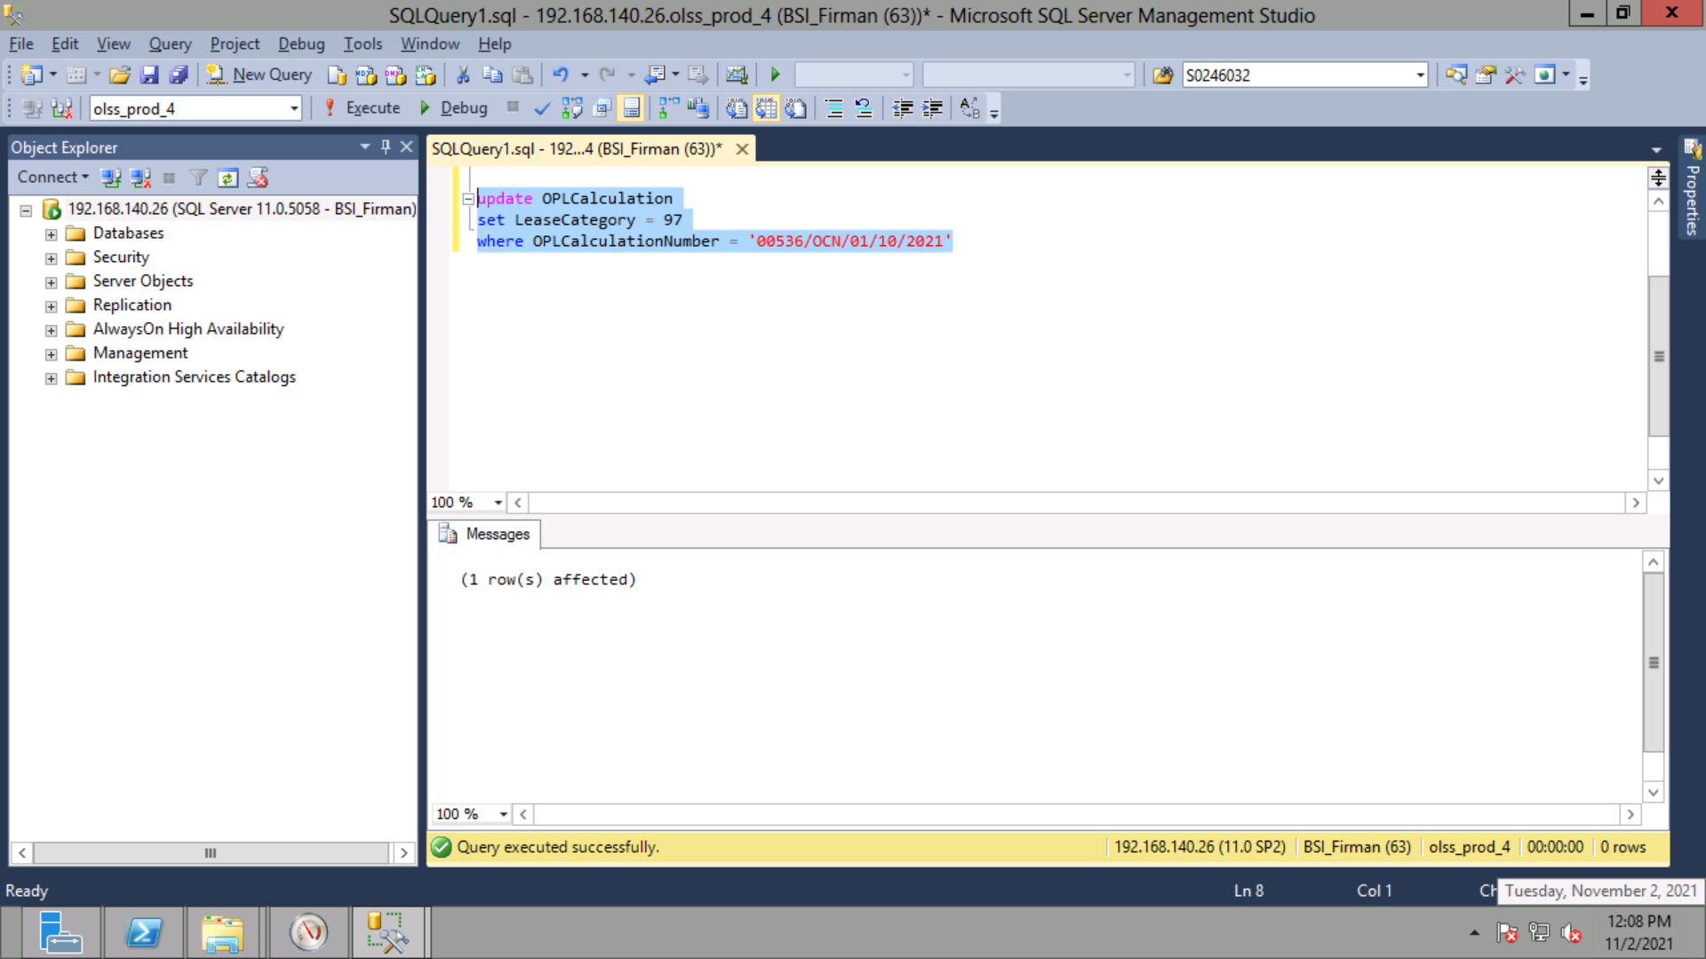
update OPLCalculation
set LeaseCategory = 97
where OPLCalculationNumber = '00536/OCN/01/10/2021'

Screenshot
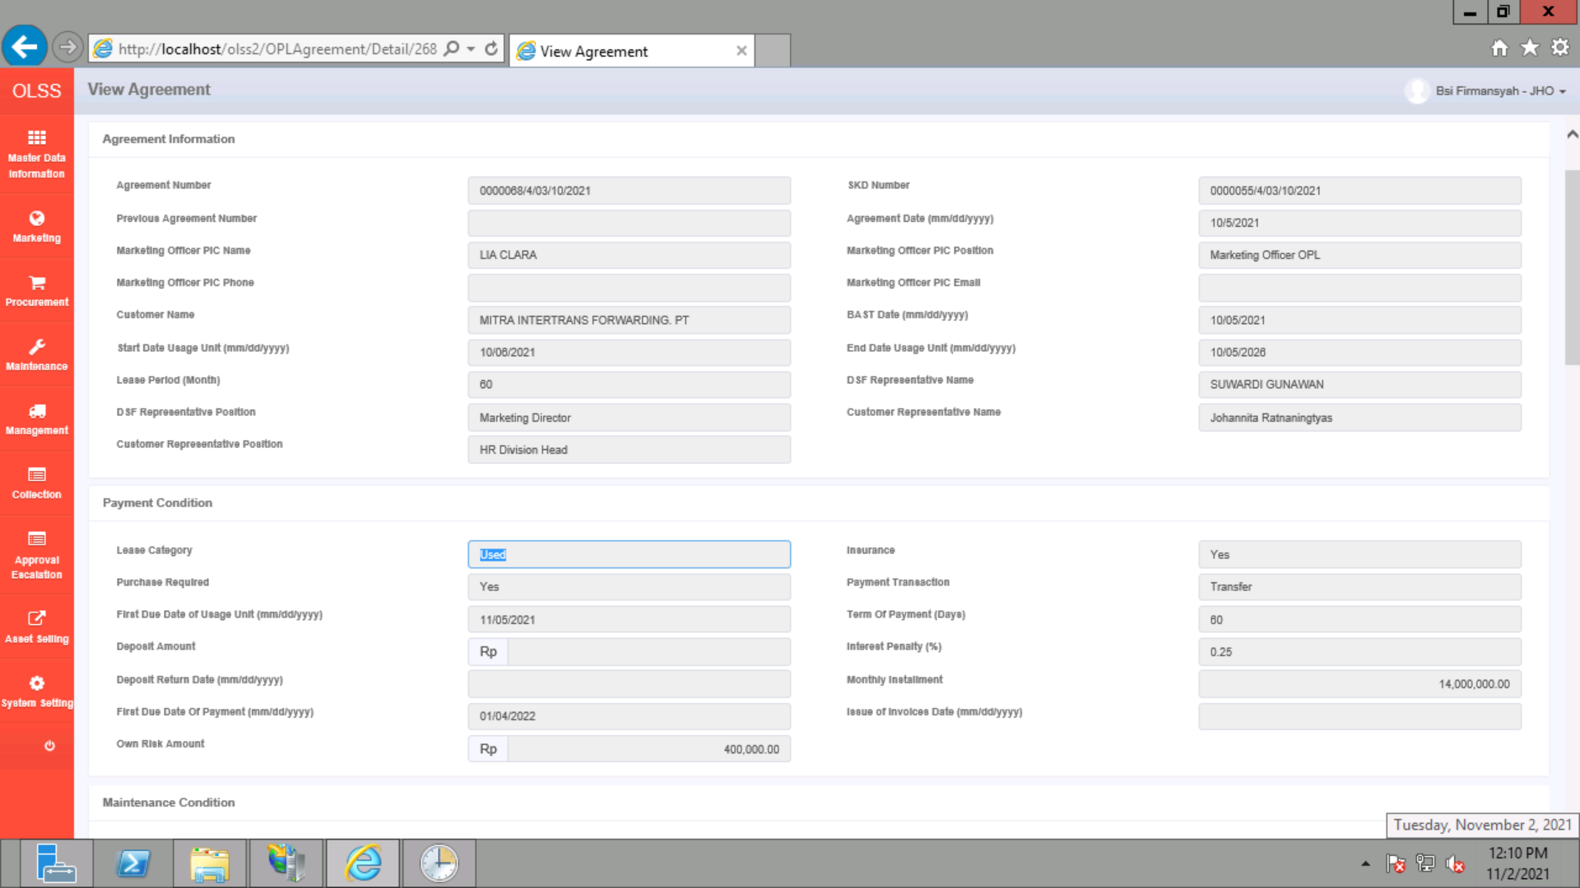
BEFORE


AFTER

